social_data
Social Data
Directors and Officers
Number of Directors Maruha Nichiro Co.
(Unit: persons)
 | FY2023 |  |  | FY2024 |  |  | FY2025
 | Total | Male | Female | Total | Male | Female | Total | Male | Female
Maruha Nichiro Corporation | 8 | 6 | 2 | 8 | 6 | 2 | 11 | 9 | 2
Ratio | 100.00% | 75.00% | 25.00% | 100.00% | 75.00% | 25.00% | 100.00% | 81.80% | 18.20%

As of the end of June

Maruha Nichiro Corporation Directors by Age
(Unit: persons)
 | FY2023 |  |  |  | FY2024 |  |  |  | FY2025
 | Total | Under 30 | Over 30～ | Over 50 | Total | Under 30 | Over 30～ | Over 50 | Total | Under 30 | Over 30～ | Over 50
 |  |  | Under 50 |  |  |  | Under 50 |  |  |  | Under 50
Maruha Nichiro Corporation | 8 | 0 | 0 | 8 | 8 | 0 | 0 | 8 | 11 | 0 | 0 | 11
Ratio | 100.00% | 0.00% | 0.00% | 100.00% | 100.00% | 0 | 0 | 100.00% | 100.00% | 0 | 0 | 100.00%
スクロールできます
As of the end of June

Maruha Nichiro Corporation Percentage of Non-Japanese Directors
(Unit: persons)
 | FY2023 |  | FY2024 |  | FY2025
 | Total | Non-Japanese | Total | Non-Japanese | Total | Non-Japanese
Maruha Nichiro Corporation | 8 | 1 | 8 | 1 | 11 | 1
Ratio | 100.00% | 12.50% | 100.00% | 12.50% | 100.00% | 9.10%
スクロールできます
As of the end of June

Number of Board Members
(Unit: persons)
 | FY2023 |  |  | FY2024 |  |  | FY2025
 | Total | Male | Female | Total | Male | Female | Total | Male | Female
Maruha Nichiro Corporation | 24 | 22 | 2 | 24 | 22 | 2 | 26 | 23 | 3
Ratio | 100.00% | 91.70% | 8.30% | 100.00% | 91.70% | 8.30% | 100.00% | 88.50% | 11.50%
スクロールできます
As of the end of June

Number of Board Members by Age
(Unit: persons)
 | FY2023 |  |  |  | FY2024 |  |  |  | FY2025
 | Total | Under 30 | Over 30～ | Over 50 | Total | Under 30 | Over 30～ | Over 50 | Total | Under 30 | Over 30～ | Over 50
 |  |  | Under 50 |  |  |  | Under 50 |  |  |  | Under 50
Maruha Nichiro Corporation | 24 | 0 | 0 | 24 | 24 | 0 | 0 | 24 | 26 | 0 | 0 | 26
Ratio | 100.00% | 0.00% | 0.00% | 100.00% | 100.00% | 0.00% | 0.00% | 100.00% | 100.00% | 0 | 0 | 100.00%
スクロールできます
As of the end of June

Maruha Nichiro Corporation Percentage of Non-Japanese Board Member
(Unit: persons)
 | FY2023 |  | FY2024 |  | FY2025
 | Total | Non-Japanese | Total | Non-Japanese | Total | Non-Japanese
Maruha Nichiro Corporation | 24 | 1 | 24 | 1 | 26 | 1
Ratio | 100.00% | 4.20% | 100.00% | 4.20% | 100.00% | 3.80%
スクロールできます
As of the end of June

Employees
by gender ratio/contract status
(Unit: persons)

 |  |  |  |  | FY2020 |  |  |  |  | FY2021 |  |  |  |  | FY2022 |  |  |  |  | FY2023 |  |  |  |  | FY2024 |  |  |  |  | 2025FY
 |  |  |  |  | Male | Ratio | Female | Ratio | Total | Male | Ratio | Female | Ratio | Total | Male | Ratio | Female | Ratio | Total | Male | Ratio | Female | Ratio | Total | Male | Ratio | Female | Ratio | Total | Male | Ratio | Female | Ratio | Total
Maruhanichiro group |  |  | Employees |  | 6,249 | 56.30% | 4,858 | 43.70% | 11,107 | 7,252 | 55.30% | 5,865 | 44.70% | 13,117 | 6,892 | 55.80% | 5,460 | 44.20% | 12,352 | 7,147 | 55.60% | 5,696 | 44.30% | 12,843 | 7,009 | 55.90% | 5,522 | 44.00% | 12,531 | 6,960 | 55.80% | 5,494 | 44.10% | 12,454
 |  |  |  | Managers | 1,667 | 89.00% | 206 | 11.00% | 1,873 | 1,752 | 87.00% | 261 | 13.00% | 2,013 | 1,662 | 87.00% | 248 | 12.90% | 1,910 | 1,715 | 85.40% | 292 | 14.50% | 2,007 | 1,696 | 85.10% | 295 | 14.80% | 1,991 | 1,693 | 84.40% | 311 | 15.50% | 2,004
 |  |  |  | General Employees | 4,582 | 49.60% | 4,652 | 50.40% | 9,234 | 5,500 | 49.50% | 5,604 | 50.50% | 11,104 | 5,230 | 50.00% | 5,212 | 49.90% | 10,442 | 5,432 | 50.10% | 5,404 | 49.80% | 10,836 | 5,313 | 50.40% | 5,227 | 49.50% | 10,540 | 5,267 | 50.40% | 5,183 | 49.60% | 10,450
 |  |  | Temporary Employees |  | 4,838 | 36.30% | 8,504 | 63.70% | 13,342 | 4,546 | 35.00% | 8,430 | 65.00% | 12,976 | 4,659 | 34.50% | 8,828 | 65.40% | 13,487 | 4,828 | 36.00% | 8,552 | 63.90% | 13,380 | 4,571 | 35.40% | 8,330 | 64.50% | 12,901 | 4,647 | 35.60% | 8,399 | 64.30% | 13,046
 | Japan |  | Employees |  | 4,252 | 72.90% | 1,578 | 27.10% | 5,830 | 4,356 | 73.00% | 1,614 | 27.00% | 5,970 | 4,344 | 72.80% | 1,621 | 27.10% | 5,965 | 4,292 | 71.10% | 1,739 | 28.80% | 6,031 | 4,240 | 70.30% | 1,787 | 29.60% | 6,027 | 4,215 | 69.50% | 1,844 | 30.40% | 6,059
 |  |  |  | Managers | 1,464 | 95.70% | 65 | 4.30% | 1,529 | 1,520 | 95.50% | 72 | 4.50% | 1,592 | 1,471 | 95.50% | 68 | 4.40% | 1,539 | 1,482 | 94.30% | 89 | 5.60% | 1,571 | 1,453 | 94.10% | 91 | 5.80% | 1,544 | 1,435 | 93.30% | 103 | 6.70% | 1,538
 |  |  |  | General Employees | 2,788 | 64.80% | 1,513 | 35.20% | 4,301 | 2,836 | 64.80% | 1,542 | 35.20% | 4,378 | 2,873 | 64.90% | 1,553 | 35.00% | 4,426 | 2,810 | 63.00% | 1,650 | 37.00% | 4,460 | 2,787 | 62.10% | 1,696 | 37.80% | 4,483 | 2,780 | 61.40% | 1,741 | 38.50% | 4,521
 |  |  | Temporary Employees |  | 2,141 | 38.40% | 3,439 | 61.60% | 5,580 | 2,140 | 38.00% | 3,496 | 62.00% | 5,636 | 2,107 | 38.60% | 3,340 | 61.30% | 5,447 | 2,030 | 38.80% | 3,202 | 61.20% | 5,232 | 2,051 | 39.40% | 3,147 | 60.50% | 5,198 | 2,056 | 40.10% | 3,070 | 59.80% | 5,126
 |  | Maruhanichiro co. | Employees |  | 1,257 | 77.90% | 357 | 22.10% | 1,614 | 1,262 | 76.00% | 399 | 24.00% | 1,661 | 1,221 | 74.10% | 426 | 25.80% | 1,647 | 1,200 | 73.10% | 440 | 26.80% | 1,640 | 1,176 | 71.20% | 475 | 28.70% | 1,651 | 1,171 | 69.30% | 518 | 30.60% | 1,689
 |  |  |  | Managers | 594 | 94.70% | 33 | 5.30% | 627 | 601 | 94.90% | 32 | 5.10% | 633 | 594 | 94.80% | 32 | 5.10% | 626 | 605 | 93.90% | 39 | 6.00% | 644 | 588 | 92.60% | 47 | 7.40% | 635 | 562 | 91.00% | 55 | 8.90% | 617
 |  |  |  | General Employees | 663 | 67.20% | 324 | 32.80% | 987 | 661 | 64.30% | 367 | 35.70% | 1,028 | 627 | 61.40% | 394 | 38.50% | 1,021 | 595 | 59.70% | 401 | 40.20% | 996 | 588 | 57.80% | 428 | 42.10% | 1,016 | 609 | 56.80% | 463 | 43.10% | 1,072
 |  |  | Temporary Employees |  | 1,037 | 49.60% | 1,053 | 50.40% | 2,090 | 883 | 44.20% | 1,116 | 55.80% | 1,999 | 853 | 45.30% | 1,028 | 54.60% | 1,881 | 772 | 44.80% | 951 | 55.10% | 1,723 | 818 | 46.20% | 950 | 53.70% | 1,768 | 837 | 46.40% | 966 | 53.50% | 1,803
 |  | Domestic group | Employees |  | 2,995 | 71.00% | 1,221 | 29.00% | 4,216 | 3,094 | 71.80% | 1,215 | 28.20% | 4,309 | 3,123 | 72.30% | 1,195 | 27.60% | 4,318 | 3,092 | 70.40% | 1,299 | 29.50% | 4,391 | 3,064 | 70.00% | 1,312 | 29.90% | 4,376 | 3,044 | 69.60% | 1,326 | 30.30% | 4,370
...
 |  |  | Temporary Employees |  | 81 | 100.00% | 0 | 0.00%
スクロールできます
Scope of coverage:Employees of Maruha Nichiro Corporation (career-track and area employees excluding seconded employees and employees on leave)
※ The number of employees by gender for the entire group has been calculated since the end of March 2019.
※1 Austral Fisheries Pty Ltd. 、Maruha (N.Z.) Corporation Ltd. 、Taiyo Micronesia Corporation
※As of the end of March

Ratio of employees by region
※As of the end of March

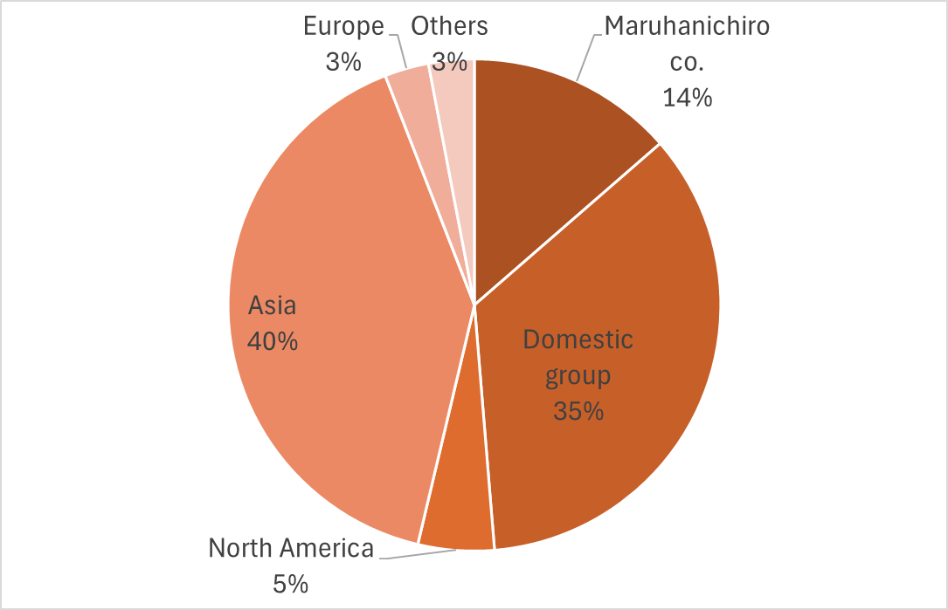

Annual Salaries by Gender
(Unit: thousand yen)
 | FY2022 |  |  | FY2023 |  |  | FY2024
 | Male | Female | B/A | Male | Female | B/A | Male | Female
 | Average Salary (A) | Average Salary (B) |  | Average Salary (A) | Average Salary (B) |  | Average Salary (A) | Average Salary (B)
Regular workers |  | 4,946 | 65.20% | 7,729 | 5,158 | 66.70% | 7,949 | 5,326
Irregular workers | 3,009 | 2,254 | 74.90% | 2,998 | 2,309 | 77.00% | 3,186 | 2,482
All workers | 6,724 | 3,761 | 55.90% | 6,778 | 3,901 | 57.60% | 6,953 | 4,112
...

